PROFILE
Client: |  |  |  |  |  |  |  |  |  | Doc. No: |  | HWRS-PROF-GEN
Date: | 8-Mar-21 |  |  |  |  |  |  |  |  | Version: |  | 000A
Time: | 2021-03-08 10:48:12 |  |  |  |  |  |  |  |  | Issued: |  | 3-Mar-21
By: |  |  |  |  |  |  |  |  |  | By: |  | Blue Way Tech. LLC

City/Municipal Water Supply |  |  |  |  | City/Municipal Sewer |  |  |  | Electrical Power
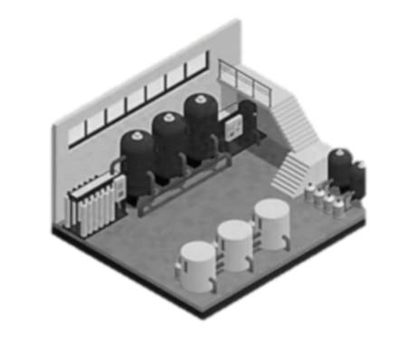
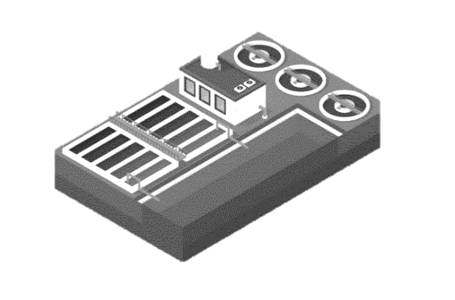
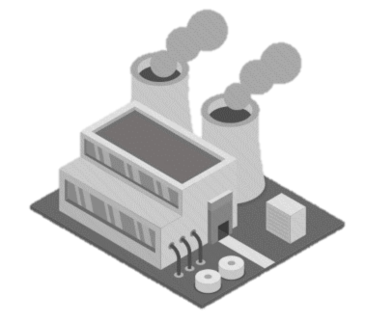
 |  | Utility Name: |  |  |  | Utility Name: |  |  |  | Utility Name:
 |  | Average Pressure: |  | PSI
 |  | Total Use: |  | CCF(HCF) |  | Total Use: |  | CCF(HCF) |  | Total Use: |  | kWh
 |  | Total Cost: |  | USD |  | Total Cost: |  | USD |  | Total Cost: |  | USD
 |  | Sample Period: | 1 | Month(s) |  | Sample Period: | 1 | Month(s) |  | Sample Period: |  | Month(s)
 |  | Quality Issues?: |  |  |  |  |  |  |  | Available Supply: |  | 3-Phase
 |  | Notes: |  |  |  | Notes: |  |  |  | Notes:

 |  | Total Use: | - | GAL |  | Total Use: | - | GAL
 |  | Water Cost: | #DIV/0! | USD/GAL |  | Sewer Cost: | #DIV/0! | USD/GAL |  | Power Cost: | #DIV/0! | USD/kWh

Facility |  |  |  |  | Homogenizers
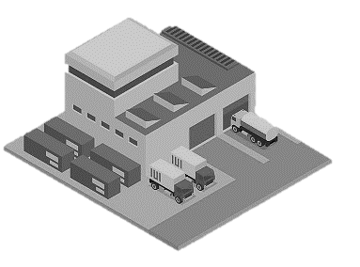
 |  | Facility Name: |  |  |  | Homogenizer 01
 |  | Address: |  |  |  | Name:
 |  | Address Line 2: |  |  |  | Run Hours: |  | /Day
 |  | City, State, Zip: |  |  |  | Run Days: |  | /Week
 |  | No. of Homogenizers: | 3 |  |  | Run Weeks: |  | /Year
 |  | Available Cooling Medium |  |  |  | No. of Water Supplies:
 |  | Temp. of Medium: |  | Deg. F |  | Water Supply Flow Rate: |  | GPM
 |  | Availiable Network Access:
 |  | Integration Requirements: |  |  |  | Temp. Requirement: |  | Deg. F
 |  | Spatial Contraints:
 |  | Notes: |  |  |  | Homogenizer Effluent Temp. |  | Deg. F
 |  |  |  |  |  | Power Available: |  | V (3-Phase)
 |  |  |  |  |  | Homogenizer Make/Model:
 |  |  |  |  |  | Notes: | Hight of Outlet =

 |  |  |  |  |  | Homogenizer 02
 |  |  |  |  |  | Name:
 |  |  |  |  |  | Run Hours: |  | /Day
 |  |  |  |  |  | Run Days: |  | /Week
 |  |  |  |  |  | Run Weeks: |  | /Year
 |  |  |  |  |  | No. of Water Supplies:
 |  |  |  |  |  | Water Supply Flow Rate: |  | GPM

 |  |  |  |  |  | Temp. Requirement: |  | Deg. F

 |  |  |  |  |  | Homogenizer Effluent Temp. |  | Deg. F
 |  |  |  |  |  | Power Available: |  | V (3-Phase)
 |  |  |  |  |  | Homogenizer Make/Model:
 |  |  |  |  |  | Notes: | Hight of Outlet =

 |  |  |  |  |  | Homogenizer 03
 |  |  |  |  |  | Name:
 |  |  |  |  |  | Run Hours: |  | /Day
 |  |  |  |  |  | Run Days: |  | /Week
 |  |  |  |  |  | Run Weeks: |  | /Year
 |  |  |  |  |  | No. of Water Supplies:
 |  |  |  |  |  | Water Supply Flow Rate: |  | GPM

 |  |  |  |  |  | Temp. Requirement: |  | Deg. F

 |  |  |  |  |  | Homogenizer Effluent Temp. |  | Deg. F
 |  |  |  |  |  | Power Available: |  | V (3-Phase)
 |  |  |  |  |  | Homogenizer Make/Model:
 |  |  |  |  |  | Notes:

